grain size analysis
before the flood (2010)
after the flood (2010)
mean
percent passing(%)
particle size (mm)
* grain-size distribution of bed material (2010) _ Grab sampler(60L)
particle size time | D35(mm) | D50(mm) | D65(mm) | D90(mm) | 균등계수 Coefficient of uniformity (Cu) | 곡률계수 Coefficient of curvature (Cg)
평군 (mean) | 1.79 | 3.96 | 12.42 | 18.67 | 13.10 | 0.35

before the flood (2011)
after the flood (2011)
mean
percent passing(%)
particle size (mm)
* grain-size distribution of bed material (2011) _ grid sampling(Hack_1947)
particle size time | D35(mm) | D50(mm) | D65(mm) | D90(mm) | 균등계수 Coefficient of uniformity (Cu) | 곡률계수 Coefficient of curvature (Cg)
평군 (mean) | 45.90 | 50.58 | 53.46 | 58.34 | 1.48 | 1.05

* grain-size distribution of bed material (2013) _ grid sampling(Hack_1947)

* particle size distribution of suspended sediment (2013)_Laser Diffraction |  |  |  |  |  |  |  |  | * grain-size distribution of bed material (2013)_Sieve

No | particle size distribution of suspended sediment (%) |  |  |  |  |  |  |  | particle size time | D10 | D30 | D35 | D60 | D65 | 균등계수 Coefficient of uniformity (Cu) | 곡률계수 Coefficient of curvature (Cg)
 | range (mm) |  |  |  |  |  |  |  | 홍수전 (before the flood) | 0.52 | 0.90 | 1.04 | 3.49 | 4.00 | 6.74 | 0.45
 | 0.0020~ | 0.063~ | 0.126~ | 0.26~ | 0.51~ | 1.1~ | 2.1~ | 4.1~ | 홍수후(after the flood ) | 0.52 | 0.79 | 0.86 | 2.44 | 3.31 | 4.70 | 0.50
 | 0.062 | 0.125 | 0.25 | 0.5 | 1 | 2 | 4 | 8 | 평균 (mean) | 0.52 | 0.85 | 0.95 | 2.96 | 3.65 | 5.72 | 0.47
1 | 87.88 | 9.02 | 0.91 | 0.22 | 0.35 | 0.03 | 0 | 0 | particle size time | D5 | D10 | D15 | D20 | D25 | D30 | D35 | D40 | D45 | D50 | D55 | D60 | D65 | D70 | D75 | D80 | D85 | D90 | D95 | D100
2 | 69.26 | 20.22 | 6.94 | 1.84 | 0.62 | 0.14 | 0.02 | 0 | 홍수전 (before the flood) | 0.34 | 0.52 | 0.61 | 0.71 | 0.80 | 0.90 | 1.04 | 1.47 | 1.89 | 2.40 | 2.95 | 3.49 | 4.00 | 5.16 | 6.47 | 7.93 | 9.75 | 11.78 | 13.82 | 16.00
3 | 75.11 | 15.76 | 5.5 | 1.78 | 0.43 | 0.05 | 0.03 | 0 | 홍수후 (after the flood ) | 0.34 | 0.52 | 0.57 | 0.65 | 0.72 | 0.79 | 0.86 | 0.93 | 1.02 | 1.42 | 1.85 | 2.44 | 3.31 | 4.22 | 6.18 | 8.00 | 10.04 | 11.84 | 13.88 | 16.00
4 | 82.71 | 10.35 | 3.47 | 0.6 | 0.05 | 0 | 0 | 0 | 평균 (mean) | 0.34 | 0.52 | 0.59 | 0.68 | 0.76 | 0.85 | 0.95 | 1.20 | 1.45 | 1.91 | 2.40 | 2.96 | 3.65 | 4.69 | 6.33 | 7.96 | 9.89 | 11.81 | 13.85 | 16.00
5 | 84.36 | 9.09 | 2.78 | 0.46 | 0.02 | 0 | 0 | 0
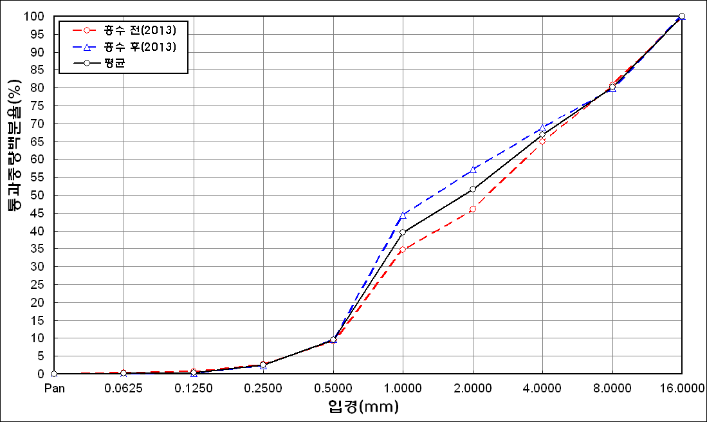
before the flood (2013)
after the flood (2013)
mean
percent passing(%)
particle size (mm)
6 | 75.46 | 16.6 | 4.4 | 0.36 | 0.26 | 1.04 | 0.71 | 0
7 | 79.19 | 15.25 | 3.86 | 0.25 | 0.02 | 0 | 0 | 0
8 | 86.56 | 10.73 | 0.63 | 0 | 0 | 0 | 0 | 0
9 | 78.34 | 15.44 | 4.46 | 0.09 | 0 | 0.12 | 0.11 | 0
10 | 80.02 | 12.51 | 3.53 | 0.45 | 0.41 | 0.9 | 0.48 | 0
11 | 70.55 | 17.73 | 8.51 | 1.4 | 0.53 | 0.36 | 0.13 | 0
12 | 59.32 | 24.04 | 12.17 | 1.8 | 0.9 | 0.73 | 0.37 | 0
13 | 59.71 | 25.15 | 12.62 | 1.64 | 0.16 | 0 | 0 | 0
14 | 74.11 | 17.39 | 6.18 | 1.09 | 0.06 | 0 | 0 | 0
15 | 83.37 | 11.78 | 2.75 | 0.29 | 0.05 | 0 | 0 | 0
16 | 81.86 | 15.33 | 1.46 | 0.25 | 0.01 | 0 | 0 | 0
mean | 76.74 | 15.4 | 5.01 | 0.78 | 0.24 | 0.21 | 0.12 | 0

* grain-size distribution of bed material (2014) _ grid sampling(Hack_1947)

* particle size distribution of suspended sediment (2014)_Laser Diffraction
 |  |  |  |  |  |  |  |  | * grain-size distribution of bed material (2014)_Sieve
No | particle size distribution of suspended sediment (%)
 | range (mm) |  |  |  |  |  |  |  | particle size time | D10 | D30 | D35 | D60 | D65 | 균등계수 Coefficient of uniformity (Cu) | 곡률계수 Coefficient of curvature (Cg)
 | 0.0020~ | 0.063~ | 0.126~ | 0.26~ | 0.51~ | 1.1~ | 2.1~ | 4.1~ | 홍수전 (before the flood) | 0.64 | 1.51 | 2.60 | 16.60 | 19.75 | 25.94 | 0.21
 | 0.062 | 0.125 | 0.25 | 0.5 | 1 | 2 | 4 | 8 | 홍수후(after the flood ) | 0.54 | 0.83 | 0.93 | 1.47 | 1.65 | 2.72 | 0.87
1 | 65.03 | 19.87 | 6.27 | 1.34 | 1.08 | 3.54 | 2.17 | 0 | 평균 (mean) | 0.59 | 1.17 | 1.77 | 9.04 | 10.70 | 15.31 | 0.26
2 | 83.1 | 9.05 | 3.46 | 1.4 | 0.23 | 0 | 0 | 0 | particle size time | D5 | D10 | D15 | D20 | D25 | D30 | D35 | D40 | D45 | D50 | D55 | D60 | D65 | D70 | D75 | D80 | D85 | D90 | D95 | D100
3 | 85.25 | 6.89 | 2.83 | 1.07 | 0.46 | 0.02 | 0 | 0 | 홍수전 (before the flood) | 0.38 | 0.64 | 0.77 | 0.91 | 1.05 | 1.51 | 2.60 | 4.80 | 8.00 | 11.20 | 13.60 | 16.60 | 19.75 | 23.50 | 26.50 | 31.50 | 38.25 | 45.00 | 56.00 | 90.00
4 | 75.34 | 19.12 | 4.27 | 0.41 | 0.06 | 0 | 0 | 0 | 홍수후 (after the flood ) | 0.43 | 0.54 | 0.62 | 0.69 | 0.75 | 0.83 | 0.93 | 0.97 | 1.06 | 1.12 | 1.29 | 1.47 | 1.65 | 1.83 | 2.39 | 3.49 | 5.75 | 9.40 | 14.76 | 19.00
5 | 78.47 | 17.44 | 3.1 | 0.12 | 0.07 | 0 | 0 | 0 | 평균 (mean) | 0.41 | 0.59 | 0.70 | 0.80 | 0.90 | 1.17 | 1.77 | 2.89 | 4.53 | 6.16 | 7.45 | 9.04 | 10.70 | 12.67 | 14.45 | 17.50 | 22.00 | 27.20 | 35.38 | 54.50
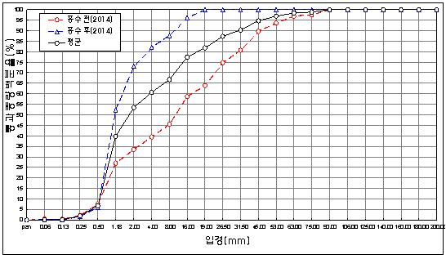
before the flood (2014)
after the flood (2014)
mean
percent passing(%)
particle size (mm)
6 | 78.04 | 14.76 | 5.32 | 0.81 | 0.03 | 0 | 0 | 0
7 | 76.16 | 15.97 | 6.22 | 0.56 | 0.01 | 0 | 0 | 0
8 | 68.77 | 22.45 | 7.76 | 0.25 | 0 | 0 | 0 | 0
9 | 69.08 | 22.28 | 6.88 | 0.97 | 0.12 | 0 | 0 | 0
10 | 74.87 | 16.93 | 6.15 | 0.83 | 0.05 | 0 | 0 | 0
11 | 78.63 | 12.93 | 4.93 | 1.4 | 0.27 | 0.16 | 0.12 | 0
12 | 82.23 | 10.66 | 4.3 | 1.21 | 0.13 | 0 | 0 | 0
13 | 75.2 | 13.27 | 7.19 | 2.45 | 0.85 | 0 | 0 | 0
14 | 74.6 | 15.32 | 5.91 | 2 | 1.12 | 0.02 | 0 | 0
15 | 75.6 | 13.4 | 6.03 | 2.49 | 1.01 | 0 | 0 | 0
16 | 78.58 | 13.86 | 4.53 | 1.16 | 0.35 | 0 | 0 | 0
17 | 78.73 | 14.16 | 4.74 | 0.98 | 0.12 | 0 | 0 | 0
18 | 82.73 | 12.1 | 3.48 | 0.29 | 0.01 | 0 | 0 | 0
mean | 76.74 | 15.4 | 5.01 | 0.78 | 0.24 | 0.21 | 0.12 | 0

